
 |  |  |  | CODE: |  |  | pl1098 ab SN from 98L001
DESCRIPTION: |  | SQEEGEE LIFTING |  | SQUEEGEE-HEBEL | SOULEVEMENT SUCEUR | PALANCA BOQUILLA | SOLLEVAMENTO SQUEEGEE
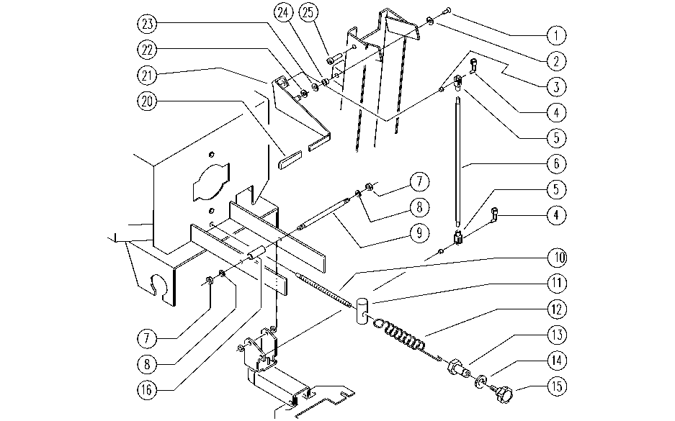

REF. | CODE | DESCRIPTION | QT
1 | SL04149 | SCREW | 1
2 | E86758 | Washer | 2
3 | E86680 | AS28 Bushing | 2
4 | E86673 | Bracket AS24/28 | 2
5 | E86672 | Fork for AS24/28 | 2
6 | E86671 | Lift Rod for AS24/28 | 1
7 | E86853 | Nyloc Hex Nut, M8 Zinc | 2
8 | E86726 | Washer | 2
9 | SL07352 | PIN | 2
10 | E89452 | Bar | 1
11 | SL07235 | HOOKING / COUPLING | 1
12 | SL13065 | SPRING | 1
13 | E89454 | Bushing | 1
14 | E89455 | Washer | 1
15 | E86674 | AS28 Knob | 1
16 | SL07364 | BEARING | 1
20 | E86450 | Tank Support Handle | 1
21 | SL09934 | LEVER | 1
22 | E86490 | AS20 Washer | 1
23 | SL06040 | WASHER | 3
24 | E86686 | AS28 Bushing | 1
25 | E86540 | AS20 Screw M8x10 | 1

